Sheet1
 |  | Document No. | Issue No. | Issue Date |  |  | Review and Replace Date |  | Authorised By
 |  | GFF0181MC | 1 | 11.06.2020 |  |  | New Issue |  | Magda Shah
 |  | Document Title | CREAMY MUSHROOM & BUTTER BEAN BAKE 800g - 2 PERSONS
Document amendments reason for change |  | New product launch |  | Page 1 of 1 | Previous Issue Date |  |  | New Issue | Uncontrolled copy unless signed original

FVCHST-1R8TMC | MINDFUL CHEF |  | CREAMY MUSHROOM & BUTTER BEAN BAKE 800g │ FROZEN
STEP 1 |  |  |  |  |  | STEP 3
 |  |  |  |  |  | 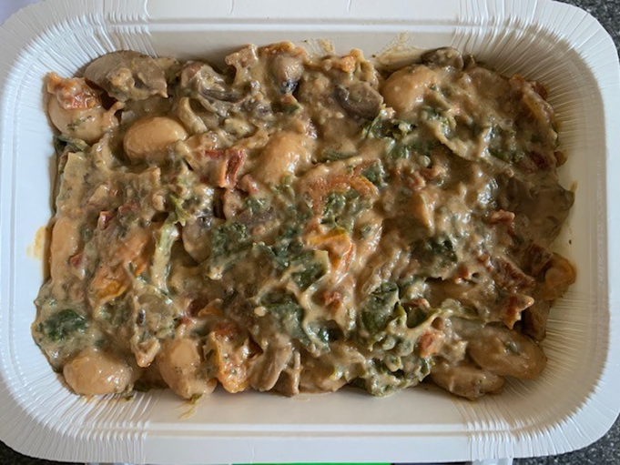

Tray: 2 PORTION TRAY (PKSOU002-02) |  |  |  |  |  | Bean Bake Mix (MC) (GFF267R) : 750g
Film: K-Peel 75G + AF 25 300mm (PKKMP001-02)
STEP 4
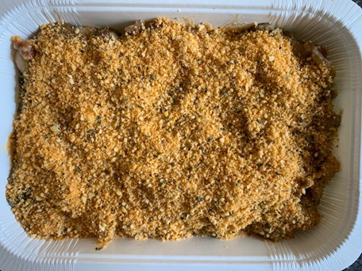 |  |  |  |  |  | 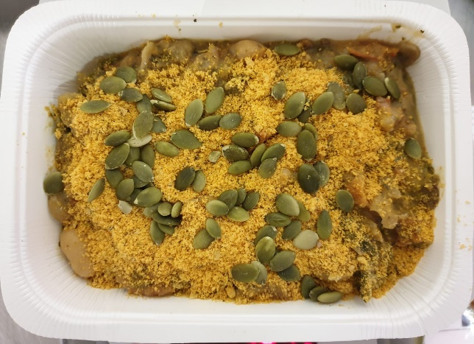

Crumb Mix (MC) (GFF268R) 35g |  |  |  |  |  | Pumpkin Seed (RMBAK001-03) 15g |  |  |  | TOTAL WEIGHT: 800g

ALLERGY ALERT: NUTS

